Home
Load Config
Help!

Help
 | Version 2.15 - 2020-10-15
 | How to use this | Multiple Choice Answers are not supported. If one of your surveys is using that sort of settings, you can't use this t all
1 | 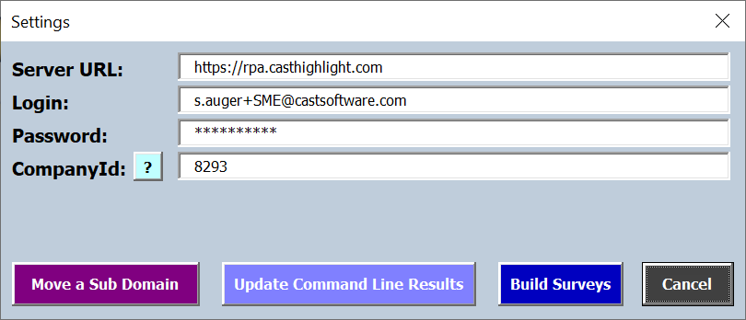 Click the "Load Config" Button | For any question or bug you encounter, please contact me s.auger@castsoftware.com
2 | Enter the Server URL : - https://rpa.casthighlight.com for AWS - https://cloud.casthighlight.com for Azure
3 | Enter the credentials for the domain for which you want to work on
4 | Enter the CompanyId Click the "?" button if you don't know where to get that information.
5.1 | If you want to change the label or the date of one or more results uploaded using the Highlight Command Line, press the "Update Command Line Results" button
5.2 | If you want to create an Excel Template for your customer to answer surveys, or if you want to mass upload survey results into Highlight, press the "Build Surveys" button.
5.3 | If you want to move a sub domain (with applications attached or not) to another sub domain, , press the "Move a Sub Domain" button

 | Updating Command Line results
5.1 | Press the "Update Command Line Results" button
5.1.1 | If the triplet Login/Password/CompanyId is incorrect or you don't have the permission to log on that domain, you will see this message : | In some cases the encryption mechanism of you HL login/password will return characters not allowed in Excel, and you will get the Invalid Login/Password pop-up. Please change your password in HL and try again This should be fixed now
5.1.2 | If the triplet Login/Password/CompanyId is correct, the config will be loaded and you will be directed to the "Command Line Results" tab. For all applications registered on your domain, you will get the list of all Command Line results created in HighLight
5.1.3 | If you want to update the label of a result, enter the new label in column F for this result. If you want to update the date of a result, enter the new date in column G for this result. You can update label and date at the same time, or only one of them. If you don't want to change anything for a given result, don't put anything in cells in columns F and G. | If you enter an invalid date in cells in column H, the update will stop on that result.
5.1.4 | Once you have entered the informations you want to update, press the "Update Results" button. Messages will then be displayed for each row in the table, in column H : - Message = "No Result" => there was no result to update for the application - Message = "Nothing to update"=> either cells in column F and G were empty, or the new values are identical to the original ones (in the workbook) - Message = {"id":#####,"snapshotLabel":"????????","snapshotDate":#########,"status":"?????","type":"Scan"} => result has been updated in Highlight

 | Creating Templates for answering surveys and Mass Uploading surveys answers
5.2 | Press the "Build Surveys" button.
5.2.1 | If the triplet Login/Password/CompanyId is incorrect or you don't have the permission to log on that domain, you will see this message : | In some cases the encryption mechanism of you HL login/password will return characters not allowed in Excel, and you will get the Invalid Login/Password pop-up. Please change your password in HL and try again This should be fixed now
5.2.2 | If the triplet Login/Password/CompanyId is correct, the following message will be displayed : Answer Yes if you want to refresh or get the config
5.2.3 | You will be directed to the Build tab. All default surveys actvivated for this domain + custom surveys are displayed, including the customisations : name, question and answers labels.
5.2.4 | In Cell D2, select the campaign for wich you want to upload results. This will hide the surveys not included in that campaign. And change the content of the Application List in cell E2 (and the following ones on the row if any), depending on applications onboarded in that campaign. If for an application that is not present in the campaign you already answered the questions, the application will be shown as invalid but you will not loose anything. The answers uploads will fail for this application.
5.2.5 | The fresh Build tab will allow you to answer surveys for one application. If you want to do that for multiple applications, just copy the whole E column and paste it rigth after it.
5.2.6 | Starting form column E, select the application from the list. If you picked an application more than one time (for example in cell E2 and G2), you won't be able to upload any result at all.
 | Creating Templates for answering surveys
5.2.5.1 | If you want to create a template for you customer, just click the "Create Customer Template" button. This will create a new Excel Workbook with specific tabs depending on the choices you make on the following pop-up - "Include all applications for selected campaign" option will add a column for every application included in the campaign, in the present workbook as well as in the customer template one. - "Include Business Impact Simulation" : this will include some macros to simulate the Business Impact calculation based on the surveys answers, and a "Compute Business Impact" button to trigger this calculation. This workbook will only contain informations needed to answer the selected surveys. If you included the Business Impact simulation, you MUST save the newly created workbook as Macro-Enabled one, otherwise you can save it as a standard Excel one. If the "Create Template" button is disabled when you check the "Include Business Impact Simulation" option, then you need to change the default Excel settings regarding macros and security as explained bellow.
 | Mass Uploading surveys answers
5.2.5.2 | Once you have answered displayed surveys for all applications, click the "Upload Results" button.
 | Once upload attempts are finished, you will be directed to the LoadReport tab. The macro will try to upload results for each and every couple Application/Survey. If you don't see any red on the page, this means all surveys answers where uploaded for all applications. If you see some red in the B column, then the upload of answers for this Survey failed for this application. The reason might be one of the following : - Application is not part of this campaign - One answer was not provided - The type of the answer is not correct (text instead of number for example)
 | Changing Excel Settings, trusting VBA project object model
5.2.5.1.1 | 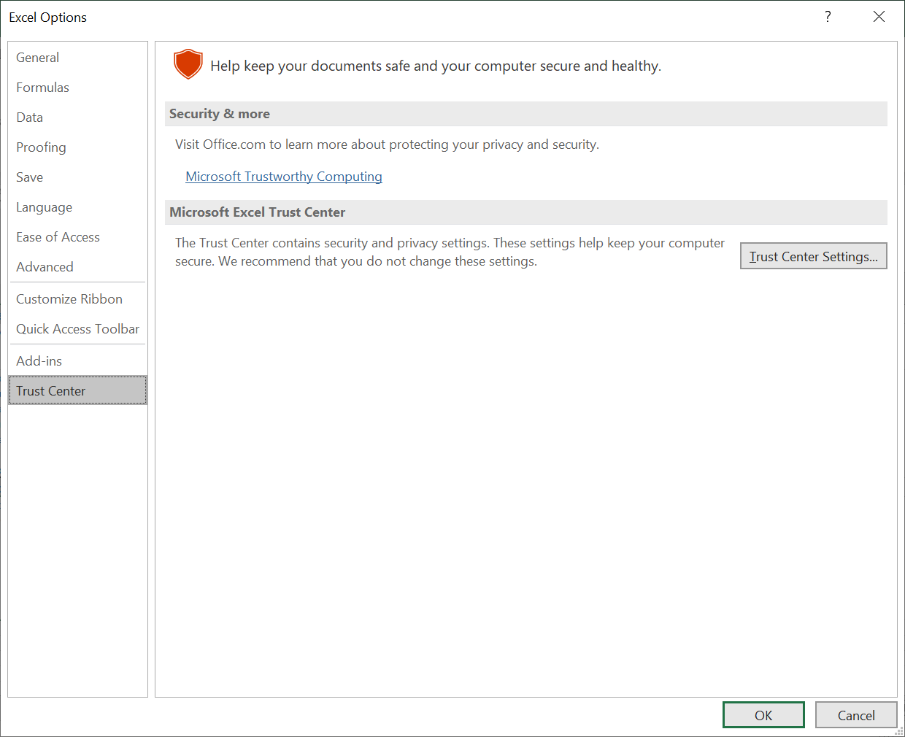 If you get this error when you try to create a Customer Template including Business Impact simulation, then read the following section. In order to be able to create a workbook containing macros programmatically, you need to change some general settings in Excel. Open the Options menu (File => Options) Select the Trust Center (last option on the left), and click the "Trust Center Settings..." button
 | 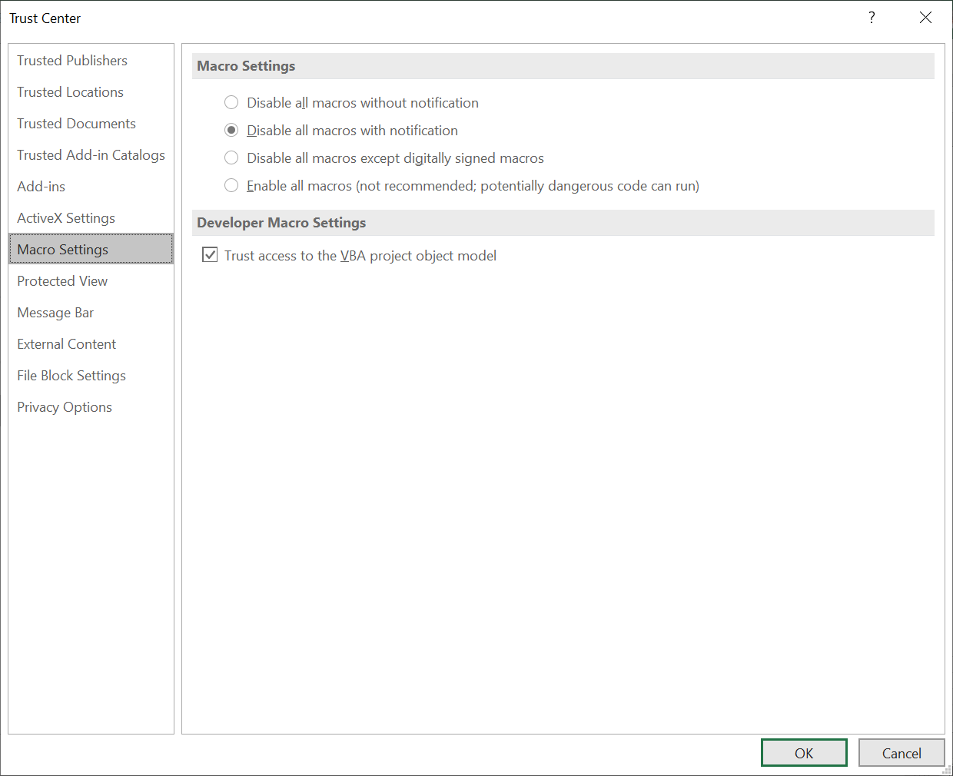 Select "Macro Settings" on the left, and check the "Trust access to the VBA project object model" checkbox. Click OK.

